Sheet1
Legend:
Complete
Stopped
InProgress

Title | Completed | Week Completed | Notes
OpenHouse 2019 - Find discrepancies - Create report for it - Create new column to capture stop duration - Create Spotfire Visual for Avg Stop Duration |  | Week 7 - 8
Multilingual with VS + Spotfire |  | Week 9
Documentation for Spotfire Web Client |  | Week 9
TIBCO Mosquito |  |  | The TIBCO Messaging - Eclipse Mosquitto is part of TIBCO Messaging software. Edit: Not a supported connection for Spotfire | 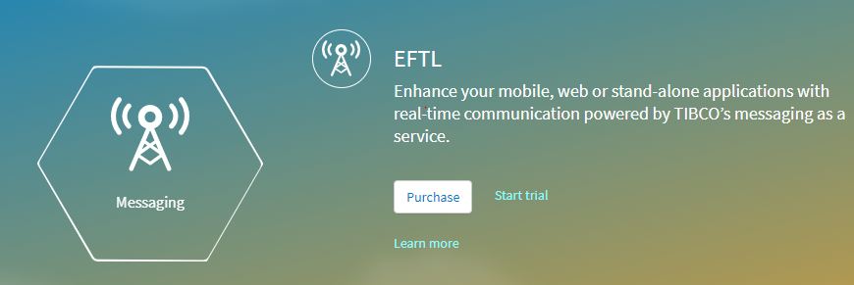
Online Database - ThingSpeak (Cancelled) - BigQuery - AWS RedShift |  |  | Not using https://www.freesqldatabase.com/account/ loads too slow. ThingSpeak is not supported by Spotfire Compare: Using Google BigQuery. Using AWS RedShift. Ideally: Free account which has no expiry so that we can use them for further projects/curriculum or demo. Some free acc expires after a year and is not suitable to create a demo out of it.
TIBCO Enterprise Messaging - Community Version - Uses Command Line Interface (CMI) - Now adding external GUI called Gems - New termenologies to understand |  |  | Edit: Not a supported connection for Spotfire

